ART
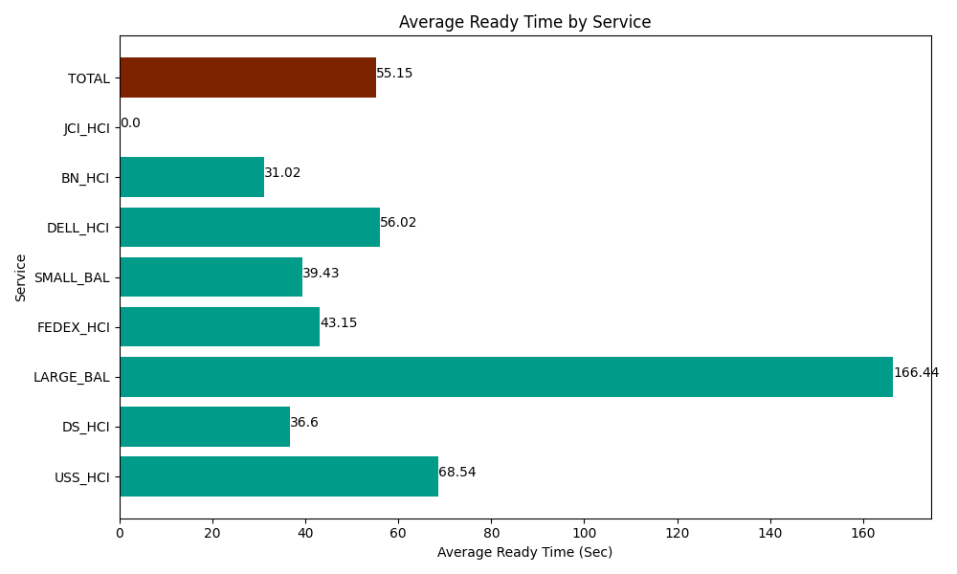
Date | Service | Successful Op Transfer | In Call (Sec) | Ready (Sec) | Wrapup (Sec) | Not Ready (Sec) | Average Ready Time (Sec)
05-12-2024 | USS_HCI | 141 | 19864.200439 | 9664.2004395 | 19702.199707 | 5761.1997986 | 68.54
05-12-2024 | DS_HCI | 774 | 36520.198975 | 28332.000732 | 74771.99707 | 74058.00293 | 36.6
05-12-2024 | LARGE_BAL | 5 | 192.00000286 | 832.19999313 | 313.80000114 | 68.999998569 | 166.44
05-12-2024 | FEDEX_HCI | 77 | 7591.7999268 | 3322.1999359 | 5521.1997986 | 9673.2000732 | 43.15
05-12-2024 | SMALL_BAL | 95 | 6048.0001831 | 3745.8000183 | 10459.80011 | 9322.800293 | 39.43
05-12-2024 | DELL_HCI | 107 | 8557.199707 | 5994.0000916 | 35980.799561 | 8830.7995605 | 56.02
05-12-2024 | BN_HCI | 896 | 55243.198242 | 27796.199341 | 76346.99707 | 41251.201172 | 31.02
05-12-2024 | JCI_HCI | 0 | 0 | 0 | 0 | 0 | 0
 | TOTAL | 2095 | 134016.59748 | 79686.600552 | 223096.79332 | 148966.20383 | 55.15

